Varner's Mum Order Form
70294 Fir Rd, Niles, MI 49120 • Ph: 269-684-3530 • Fax: 269-684-4924 • Web: www.varnersgreenhouse.com • email: orders@varnersgreenhouse.com
2021 MUM FUNDRAISER ORDER FORM
Please enter required data and quantities indicated into peach colored input boxes. Use the TAB key to advance to the next field.
Name of Organization:
Contact Person: |  |  |  | Email:
Business Phone #: |  |  |  | Contact Phone #:
Billing Street Address or Box No.:
City: |  |  |  |  | State: |  | Zip Code:
Payment Method? (select one using the X key): | Credit Terms: | C.O.D.: |  | Sales Tax? (select one using the X key): |  | Exempt: |  | Non-Exempt:
Delivery or Pick up? (select one using the X key): | Deliver: | Pickup: |  | Preferred Delivery/Pickup Date?:
Delivery Address (if different than Billing Address):
City: |  |  |  |  | State: |  | Zip: |  | P.O #:
---------------- ORDER FORM ----------------- |  |  |  |  |  |  | ----------SAMPLE COLORS --------

8-inch Mum Colors |  |  | Qty. of Mums | Unit Price | Extended Price |  | 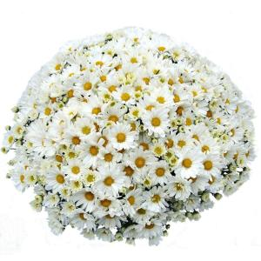   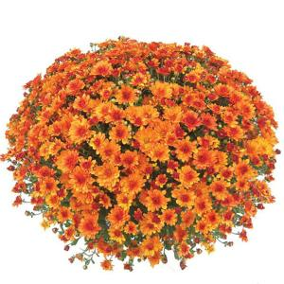 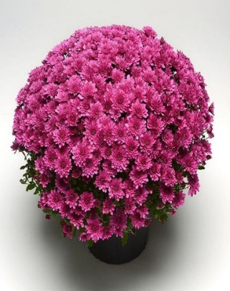
Dark Purple |  |  |  | $3.51 | $-
Lavender/Pink |  |  |  | $3.51 | $-
Orange/Bronze |  |  |  | $3.51 | $-
Red/Burgundy |  |  |  | $3.51 | $-
White |  |  |  | $3.51 | $-
Yellow/Gold |  |  |  | $3.51 | $-
Subtotals è |  |  | 0 | $3.51 | $-
Sales Tax (select from drop down list) è |  |  |  |  | $-
Delivery Service (please contact Varner's for quote) è
Total Amount è |  |  |  |  | $-
---------------- TERMS AND CONDITIONS --------------
- Please use this form to place your order. Please return the completed form in person or by mail to 70294 Fir Road, Niles, MI 49120, or send by email to orders@vanersgreenhouse.com, or by fax to 269-684-4924. We will send you a Confirmation Order after we receive your order by email. If you do not receive a Confirmation Order or you don't use email, please follow up with a phone call to confirm we received your order. Wholesale and Fundraiser Pricing is only available to non-profit organizations and businesses providing valid documentation.
- Very Important: Please schedule a delivery day or pickup day with our office ASAP. The earlier you schedule your delivery date, the more likely you are to have your plants delivered on your preferred date. Please send us your order seven [7] days prior to your scheduled delivery/pickup date. No changes will be accepted within three [3] days of your delivery/pickup date.
- Credit Terms Note: Please note that your organization needs be approved by our sales management office before terms will be extended. If you have not established credit terms with us, payment will be expected at the time of delivery or pick up.
- Sales Tax Note: If you are an eligible sales tax exempt business or organization, we are required to have a completed and signed Michigan Form 3372 or Indiana Form ST-105 on file with our office before orders can be exempted from sales tax. If you need one of these forms, please feel free to contact us.
- Delivery Service is available and the cost is calculated according to distance and the size of your order starting at $40.00. If you would like a quote for Delivery Service prior to placing your order, please feel free to call us at 269-684-3530 or email us at orders@varnersgreenhouse.com. The Delivery Service will be included on your Confirmation Order. Minimum order to qualify for delivery is 100 mums.
- Prices and availability may change without notice.Varner's reserves the right to substitute colors and outsourced Mums if necessary.
- To offer Vouchers that are redeemable at Varner's Greenhouse or to offer any other products in your sale, please contact Varner’s sales management for approval, availability and price at 269-684-3530 or orders@varnersgreenhouse.com.
THANK YOU FOR YOUR ORDER!

